PopulationReport
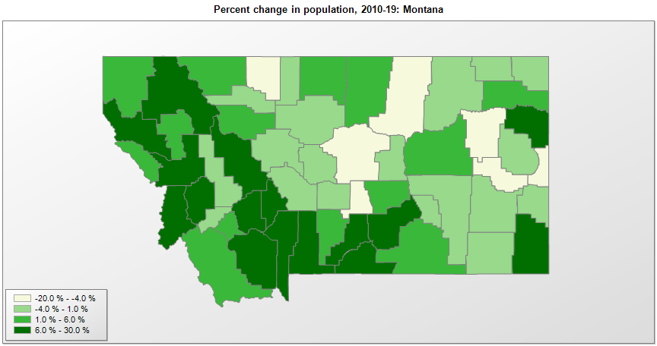

FIPS* | County name | RUC code | Pop. 1990 | Pop. 2000 | Pop. 2010 | Pop. 2019 | Change 2010-19
30000 | Montana |  | 799,065 | 902,200 | 989,407 | 1,068,778 | 8.0%
30001 | Beaverhead County | 7 | 8,424 | 9,192 | 9,246 | 9,453 | 2.2%
30003 | Big Horn County | 6 | 11,337 | 12,676 | 12,863 | 13,319 | 3.5%
30005 | Blaine County | 9 | 6,728 | 7,009 | 6,491 | 6,681 | 2.9%
30007 | Broadwater County | 9 | 3,318 | 4,380 | 5,608 | 6,237 | 11.2%
30009 | Carbon County | 3 | 8,080 | 9,545 | 10,078 | 10,725 | 6.4%
30011 | Carter County | 9 | 1,503 | 1,358 | 1,160 | 1,252 | 7.9%
30013 | Cascade County | 3 | 77,691 | 80,356 | 81,326 | 81,366 | 0.0%
30015 | Chouteau County | 8 | 5,452 | 5,962 | 5,813 | 5,635 | -3.1%
30017 | Custer County | 7 | 11,697 | 11,694 | 11,699 | 11,402 | -2.5%
30019 | Daniels County | 9 | 2,266 | 2,017 | 1,751 | 1,690 | -3.5%
30021 | Dawson County | 7 | 9,505 | 9,059 | 8,963 | 8,613 | -3.9%
30023 | Deer Lodge County | 7 | 10,356 | 9,416 | 9,294 | 9,140 | -1.7%
30025 | Fallon County | 9 | 3,103 | 2,835 | 2,890 | 2,846 | -1.5%
30027 | Fergus County | 7 | 12,083 | 11,905 | 11,590 | 11,050 | -4.7%
30029 | Flathead County | 5 | 59,218 | 74,507 | 90,927 | 103,806 | 14.2%
30031 | Gallatin County | 5 | 50,484 | 67,837 | 89,515 | 114,434 | 27.8%
30033 | Garfield County | 9 | 1,589 | 1,279 | 1,209 | 1,258 | 4.1%
30035 | Glacier County | 7 | 12,121 | 13,240 | 13,399 | 13,753 | 2.6%
30037 | Golden Valley County | 3 | 912 | 1,040 | 884 | 821 | -7.1%
30039 | Granite County | 8 | 2,548 | 2,841 | 3,074 | 3,379 | 9.9%
30041 | Hill County | 7 | 17,654 | 16,671 | 16,096 | 16,484 | 2.4%
30043 | Jefferson County | 9 | 7,939 | 10,034 | 11,403 | 12,221 | 7.2%
30045 | Judith Basin County | 8 | 2,282 | 2,326 | 2,072 | 2,007 | -3.1%
30047 | Lake County | 6 | 21,041 | 26,482 | 28,748 | 30,458 | 5.9%
30049 | Lewis and Clark County | 5 | 47,495 | 55,716 | 63,394 | 69,432 | 9.5%
30051 | Liberty County | 9 | 2,295 | 2,158 | 2,339 | 2,337 | -0.1%
30053 | Lincoln County | 7 | 17,481 | 18,820 | 19,683 | 19,980 | 1.5%
30055 | McCone County | 9 | 2,276 | 1,971 | 1,734 | 1,664 | -4.0%
30057 | Madison County | 9 | 5,989 | 6,848 | 7,691 | 8,600 | 11.8%
30059 | Meagher County | 9 | 1,819 | 1,928 | 1,891 | 1,862 | -1.5%
30061 | Mineral County | 8 | 3,315 | 3,871 | 4,229 | 4,397 | 4.0%
30063 | Missoula County | 3 | 78,687 | 95,803 | 109,296 | 119,600 | 9.4%
30065 | Musselshell County | 8 | 4,106 | 4,492 | 4,538 | 4,633 | 2.1%
30067 | Park County | 7 | 14,515 | 15,694 | 15,635 | 16,606 | 6.2%
30069 | Petroleum County | 9 | 519 | 493 | 488 | 487 | -0.2%
30071 | Phillips County | 9 | 5,163 | 4,601 | 4,252 | 3,954 | -7.0%
30073 | Pondera County | 7 | 6,433 | 6,425 | 6,155 | 5,911 | -4.0%
30075 | Powder River County | 9 | 2,090 | 1,858 | 1,743 | 1,682 | -3.5%
30077 | Powell County | 6 | 6,620 | 7,185 | 7,034 | 6,890 | -2.0%
30079 | Prairie County | 9 | 1,383 | 1,199 | 1,179 | 1,077 | -8.7%
30081 | Ravalli County | 6 | 25,010 | 36,093 | 40,210 | 43,806 | 8.9%
30083 | Richland County | 7 | 10,716 | 9,666 | 9,746 | 10,803 | 10.8%
30085 | Roosevelt County | 7 | 10,999 | 10,632 | 10,425 | 11,004 | 5.6%
30087 | Rosebud County | 9 | 10,505 | 9,389 | 9,235 | 8,937 | -3.2%
30089 | Sanders County | 8 | 8,669 | 10,238 | 11,413 | 12,113 | 6.1%
30091 | Sheridan County | 9 | 4,732 | 4,105 | 3,384 | 3,309 | -2.2%
30093 | Silver Bow County | 5 | 33,941 | 34,625 | 34,209 | 34,915 | 2.1%
30095 | Stillwater County | 8 | 6,536 | 8,221 | 9,096 | 9,642 | 6.0%
30097 | Sweet Grass County | 9 | 3,154 | 3,601 | 3,651 | 3,737 | 2.4%
30099 | Teton County | 8 | 6,271 | 6,449 | 6,071 | 6,147 | 1.3%
30101 | Toole County | 7 | 5,046 | 5,255 | 5,324 | 4,736 | -11.0%
30103 | Treasure County | 8 | 874 | 857 | 718 | 696 | -3.1%
30105 | Valley County | 7 | 8,239 | 7,673 | 7,369 | 7,396 | 0.4%
30107 | Wheatland County | 9 | 2,246 | 2,259 | 2,168 | 2,126 | -1.9%
30109 | Wibaux County | 9 | 1,191 | 1,067 | 1,017 | 969 | -4.7%
30111 | Yellowstone County | 3 | 113,419 | 129,347 | 147,991 | 161,300 | 9.0%

Source: U.S. Census Bureau, 1990, 2000, and 2010 Censuses of Population (corrected), and 2019 County Total Population Estimates. 1) The FIPS codes uniquely identify each county and are part of the Federal Information Processing Standards (FIPS) developed by the National Institute of Standards and Technology (NIST), U.S. Department of Commerce. For more information, see the NIST FIPS publication page. 2) The 2013 rural-urban continuum codes classify metropolitan counties (codes 1 through 3) by size of the Metropolitan Statistical Area (MSA), and nonmetropolitan counties (codes 4 through 9) by degree of urbanization and proximity to metro areas. See rural-urban continuum codes for precise definitions of each code.

